Sheet1
Detail Spesifikasi Gadget di Web GSM ARENA

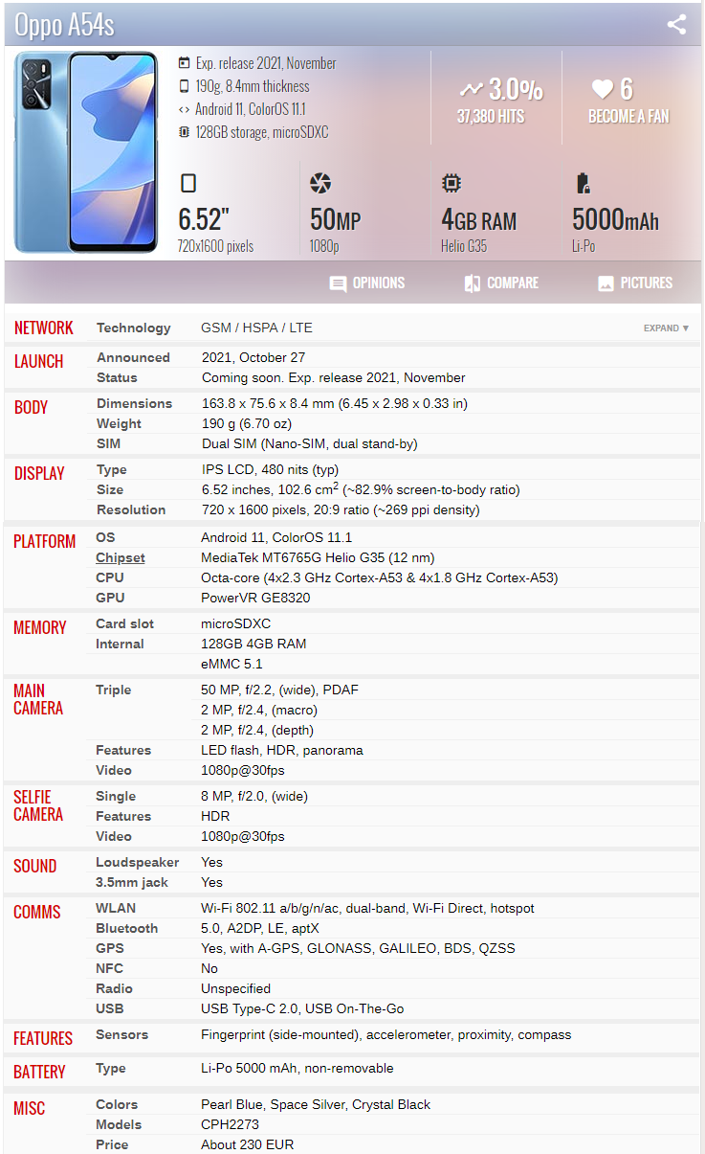

 |  | Bilang ke regi minta master obj code detail yg di spektra yg ada di system

 |  | Detail Spesifikasi Gadget di Web GSM ARENA

 | No | Parameter | Sub Parameter | Remaks | Flag Propose Risk
 | 1 | NETWORK | Technology | GSM / HSPA / LTE
 | 2 | LAUNCH | Announced | 2021, October 27 | V | Sudah ada
 |  |  | Status | Coming soon. Exp. release 2021, November
 | 3 | BODY | Dimensions | 163.8 x 75.6 x 8.4 mm (6.45 x 2.98 x 0.33 in)
 |  |  | Weight | 190 g (6.70 oz)
 |  |  | SIM | Dual SIM (Nano-SIM, dual stand-by)
 | 4 | DISPLAY | Type | IPS LCD, 480 nits (typ)
 |  |  | Size | 6.52 inches, 102.6 cm2 (~82.9% screen-to-body ratio)
 |  |  | Resolution | 720 x 1600 pixels, 20:9 ratio (~269 ppi density)
 | 5 | PLATFORM | OS | Android 11, ColorOS 11.1
 |  |  | Chipset | MediaTek MT6765G Helio G35 (12 nm)
 |  |  | CPU | Octa-core (4x2.3 GHz Cortex-A53 & 4x1.8 GHz Cortex-A53)
 |  |  | GPU | PowerVR GE8320
 | 6 | MEMORY | Card slot | microSDXC
 |  |  | Internal | 128GB 4GB RAM | V
 |  |  |  | eMMC 5.1
 | 7 | MAIN CAMERA | Triple | 50 MP, f/2.2, (wide), PDAF
 |  |  |  | 2 MP, f/2.4, (macro)
 |  |  |  | 2 MP, f/2.4, (depth)
 |  |  | Features | LED flash, HDR, panorama
 |  |  | Video | 1080p@30fps
 | 8 | SELFIE CAMERA | Single | 8 MP, f/2.0, (wide)
 |  |  | Features | HDR
 |  |  | Video | 1080p@30fps
 | 9 | SOUND | Loudspeaker | Yes
 |  |  | 3.5mm jack | Yes
 | 10 | COMMS | WLAN | Wi-Fi 802.11 a/b/g/n/ac, dual-band, Wi-Fi Direct, hotspot
 |  |  | Bluetooth | 5.0, A2DP, LE, aptX
 |  |  | GPS | Yes, with A-GPS, GLONASS, GALILEO, BDS, QZSS
 |  |  | NFC | No
 |  |  | Radio | Unspecified
 |  |  | USB | USB Type-C 2.0, USB On-The-Go
 | 11 | FEATURES | Sensors | Fingerprint (side-mounted), accelerometer, proximity, compass
 | 12 | BATTERY | Type | Li-Po 5000 mAh, non-removable
 | 13 | MISC | Colors | Pearl Blue, Space Silver, Crystal Black
 |  |  | Models | CPH2273
 |  |  | Price | About 230 EUR | V | Sudah ada
 | 14 | Obj Description |  | OPPO A54s (Tambahan parameter dari gambar yg tertera di WEB)
 | 15 | Group Type Unit

 |  | OBJ Description | Oppo | A54 | 2
 |  |  |  | A54s | 2.5
 |  |  |  | A54 5G | 3
 |  | Group Type Unit |  | A54
 |  | REVISION |  | 200.000 (di buatkan rumah/tabel agar jika ada kepentingan untuk menjalankan revisi per bulan/per semester dapat dilakukan)

